Cover


Test Document

Test Scenario, Test Case & Issue Log

MSISDN Blocking Information Broadcast

Document History
Date | Version | Role | Name | Organization | Function | Comments
06.10.2021 | 1.0 | Author | Oscar Ian Jeferson | Deloitte | RPA Consultant | Created document v1.0

Document Approval Flow - Unit Test & SIT
Version | Flow | Role | Name | Organization | Signature and Date
1.0 | Document Prepared by: | RPA Consultant | Oscar Ian Jeferson | Deloitte
1.0 | Test Performed by: | RPA Consultant | Oscar Ian Jeferson | Deloitte
1.0 | Test Approved by: | Project Manager | Ika Rahmawati | Telkomsel

Document Approval Flow - User Acceptance Test
Version | Flow | Role | Name | Organization | Signature and Date
1.0 | Document Prepared by: | Robot User | Himawan F. Rahmansyah | Telkomsel
1.0 | Test Performed by: | IT QA | Dini P Lestari | Telkomsel
1.0 | Test Approved by: | Robot Owner | Iman Mahendra | Telkomsel

Unit Test
Test Scenario ID | Test Case ID | Test Author | Test Executed By | Execution Date | Test Title | Prerequisite | Test Steps | Expected Result | Internal Test Result | Status [PASS/ FAIL] | Defect ID | Comments
PDD061TS1 | PDD061TS1.1 | Steven Tjayadi | Steven Tjayadi | 23-Sep-24 | [Positive] The robot retrieved Orchestrator Assets from Sharepoint List Online sucessfully (Dispatcher) | -The stated Assets are available in Sharepoint List Online and Global Robot Assets | -Run Cleanup to close any Excel and Chrome windows -Get Assets Orchestrator from Sharepoint List | Robot runs without exception thrown | 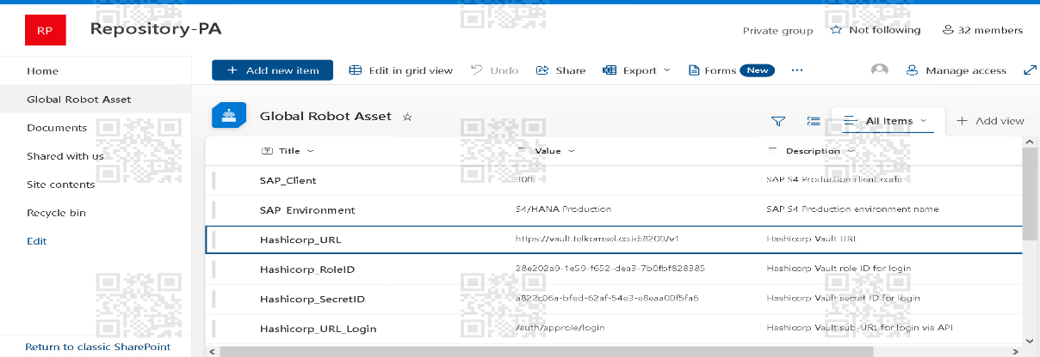 |  |  | All Excel & Chrome windows closed and Orchestrator Asstets retrieved
 | PDD061TS1.2 | Steven Tjayadi | Steven Tjayadi | 23-Sep-24 | [Positive] The Connector can access the Sharepoint online, Excel Online, and Outlook Online (Dispatcher) | -Connector enabled the settings of the Power Automate Cloud | - Go to Power Automate Cloud - Go to Desktop Flow Activity - Go to flow 061 Dispatcher - Activate the Connector Reference | System activate and enabled the access of Sharepoint, Excel, and Outlook online
PDD061TS2 | PDD061TS2.1 | Steven Tjayadi | Steven Tjayadi | 23-Sep-24 | [Positive] The Config File and User Settings File exist in the designated folder (Dispatcher) | -The Config File is available in the designated folder -The User Settings File is available in the designated folder | -Check if Config File is available -Check if User Settings File is available | Robot runs without exception thrown and create config mapping dictionary | 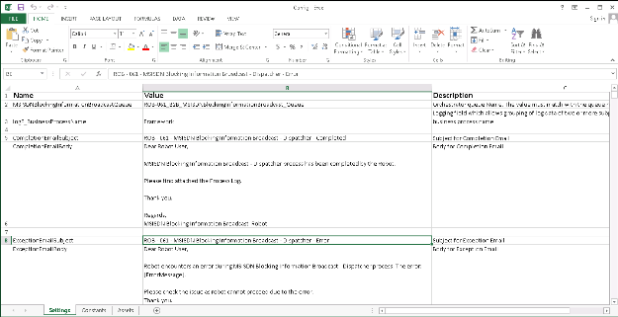 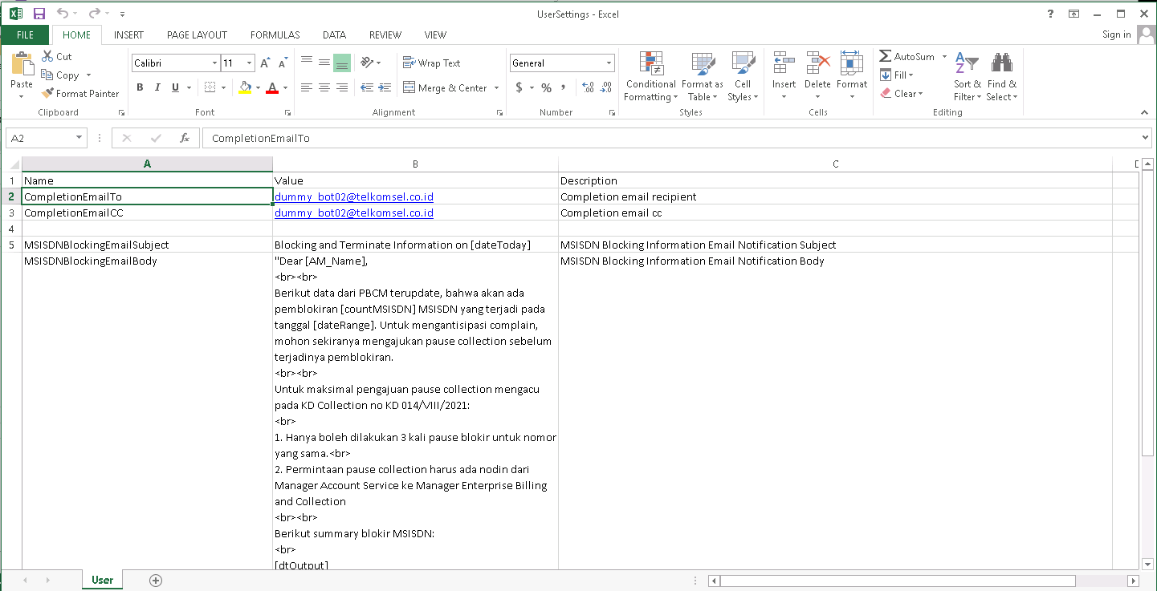
 | PDD061TS2.2 | Steven Tjayadi | Steven Tjayadi | 23-Sep-24 | [Negative] The Config File exists and User Settings File does not exist in the designated folder (Dispatcher) | -The Config File is available in the designated folder -The User Settings File is not available in the designated folder | -Check if Config File is available -Check if User Settings File is available -Exception for Unable to access User Settings | Robot sends email exception for User Settings is unable to access
PDD061TS3 | PDD061TS3.1 | Steven Tjayadi | Steven Tjayadi | 23-Sep-24 | [Positive] The robot retrieved Orchestrator Assets from Sharepoint List Online sucessfully (Performer) | -The stated Assets are available in Sharepoint List Online Global Robot Asset | -Run Cleanup to close any Excel and Chrome windows -Get Assets Orchestrator from Sharepoint List | Robot runs without exception thrown |  |  |  | All Excel & Chrome windows closed and Orchestrator Asstets retrieved
 | PDD061TS3.2 | Steven Tjayadi | Steven Tjayadi | 23-Sep-24 | [Positive] The Connector can access the Sharepoint online, Excel Online, and Outlook Online (Performer) | -Connector enabled the settings of the Power Automate Cloud | - Go to Power Automate Cloud - Go to Desktop Flow Activity - Go to flow 061 Performer - Activate the Connector Reference | System activate and enabled the access of Sharepoint, Excel, and Outlook online
PDD061TS4 | PDD061TS4.1 | Steven Tjayadi | Steven Tjayadi | 23-Sep-24 | [Positive] The Config File and User Settings File exist in the desingated folder (Performer) | -The Config File is available in the designated folder -The User Settings File is available in the designated folder | -Check if Config File is available -Check if User Settings File is available | Robot runs without exception thrown and create config mapping dictionary
 | PDD061TS4.2 | Steven Tjayadi | Steven Tjayadi | 23-Sep-24 | [Negative] The Config File exists and User Settings File does not exist in the designated folder (Performer) | -The Config File is available in the designated folder -The User Settings File is not available in the designated folder | -Check if Config File is available -Check if User Settings File is available -Exception for Unable to access User Settings | Robot sends email exception for User Settings is unable to access
PDD061TS5 | PDD061TS5.1 | Steven Tjayadi | Steven Tjayadi | 23-Sep-24 | [Positive] The Pivot Template File exists in the designated folder (Performer) | -The Pivot Template File is available in the designated folder | -Check if Pivot Template File is available | Robot runs without exception thrown | 
 | PDD061TS5.2 | Steven Tjayadi | Steven Tjayadi | 23-Sep-24 | [Negative] The Pivot Template File does not exist in the designated folder (Performer) | -The Pivot Template File is not available in the designated folder | -Check if Pivot Template File is available -Exceptions for Pivot Template File does not exist | Robot sends email exception for Pivot Template File is not available
PDD061TS6 | PDD061TS6.1 | Steven Tjayadi | Steven Tjayadi | 26-Sep-24 | [Positive] The Account Manager Mapping File exists in the desingated folder (Performer) | -The Account Manager Mapping File is available in the designated folder | -Check if Account Manager Mapping File is available | Robot runs without exception thrown and read Account Manager Mapping File into datatable | 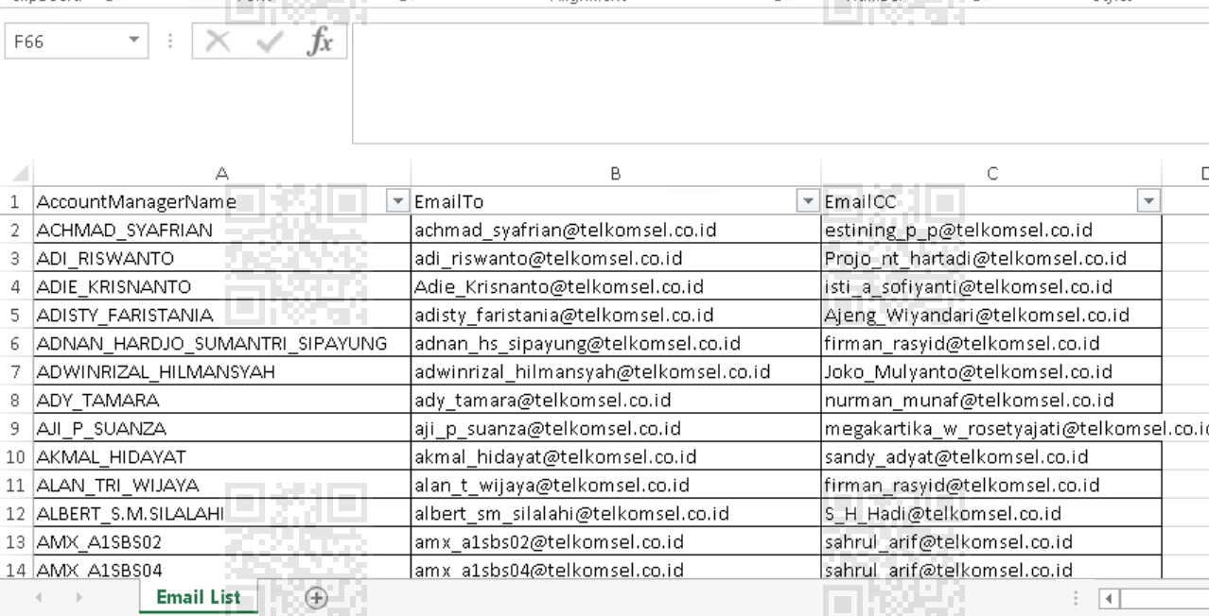
 | PDD061TS6.2 | Steven Tjayadi | Steven Tjayadi | 26-Sep-24 | [Negative] The Account Manager Mapping File does not exist in the designated folder (Performer) | -The Account Manager Mapping File is not available in the designated folder, or is available but unable to access | -Check if Account Manager Mapping File is available -Excepions for Account Manager Mapping File is unable to access | Robot sends email exception for Account Manager Mapping File is unable to access | 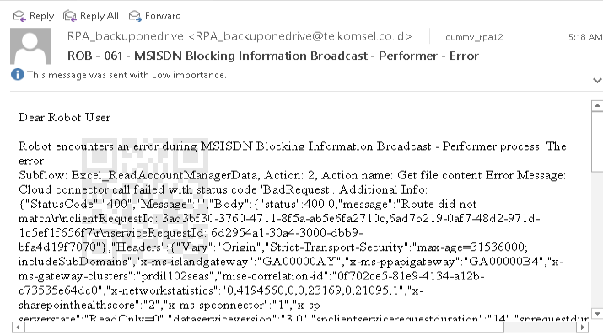
PDD061TS7 | PDD061TS7.1 | Steven Tjayadi | Steven Tjayadi | 26-Sep-24 | [Positive] The provided PBCM Info link navigates to the designated download link | -Excecute PDD061TS1.1; PDD061TS2.1 -The correct PBCM Info link from Assets | -Open the provided PBCM Info link (Outlook) -Download the PBCM MSISDN Block List File to designated folder | Robot runs without exception thrown, downloads the PBCM MSISDN Block List File to designated folder
 | PDD061TS7.2 | Steven Tjayadi | Steven Tjayadi | 26-Sep-24 | [Negative] The provided PBCM Info link navigates to other link | -Execute PDD061TS1.1; PDD061TS2.1 -The false PBCM Info link | -Open the false PBCM Info link -Exception for PBCM Info link is Incorrect (Download failed and didn't get a data (CSV format)) | Robot sends email exception for PBCM Info link is Incorrect and failed get data (csv format) | 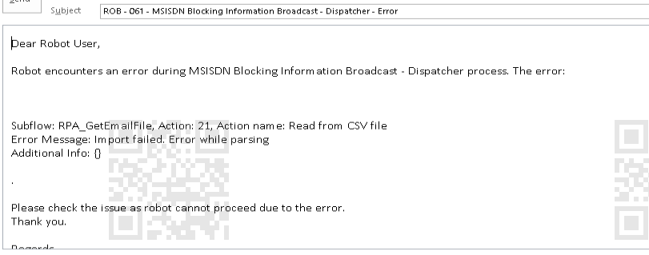
PDD061TS8 | PDD061TS8.1 | Steven Tjayadi | Steven Tjayadi | 26-Sep-24 | [Positive] Cleanse the PBCM MSISDN Block List File | -Execute PDD061TS7.1 -The PBCM MSISDN Block List File is available in the designated folder | -Open the PBCM MSISDN Block List File -Remove MSISDN that has been terminated -Standardize the blocked date format at "mm/dd/yyyy" -Save the Cleansed file to the same folder | Robot runs without exception thrown and cleanses the PBCM MSISDN Block List File | 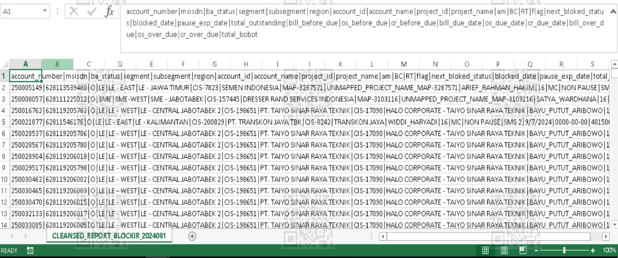
PDD061TS9 | PDD061TS9.1 | Steven Tjayadi | Steven Tjayadi | 26-Sep-24 | [Positive] Send the MSISDN Blocking Information email notification with valid Account Manager Email found in Account Manager Mapping File | -Execute PDD061TS8.1 -Account Manager Name retrieved from Orchestrator Transaction Item -The Cleansed PBCM MSISDN Block List File is available in the designated folder -The Account Manager Name matches in the Account Manager Mapping File to lookup Account Manager Email -The Account Manager Email is correct | -Open the Cleansed PBCM MSISDN Block List File -Successfully lookup the Account Manager Name to Account Manager Mapping File -Filter the file by Account Manager Name retrieved from Orchestrator Transaction Item -Copy it to Pivot Template File -Refresh the Pivot Table -Save the Filtered PBCM MSISDN Block List File -Successfully send the MSISDN Blocking Information email notofication to Account Manager with Filtered PBCM MSISDN Block List File attached -Delete Filtered PBCM MSISDN Block List File | Robot runs without exception thrown, successfully lookup the Account Manager Name, successfully filters PBCM MSISDN Block List File, successfully sends MSISDN Blocking Information email notification to Account Manager | 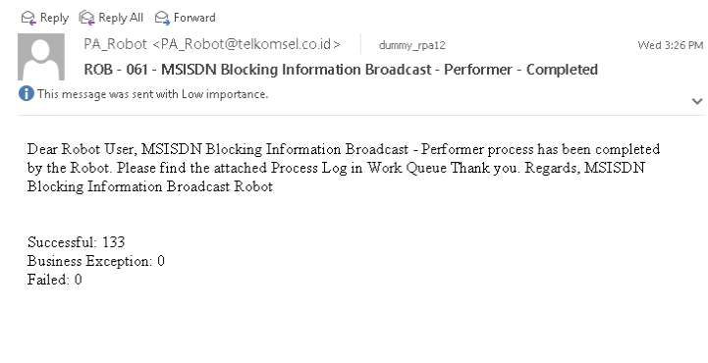
 | PDD061TS9.2 | Steven Tjayadi | Steven Tjayadi | 26-Sep-24 | [Negative] Failed to send MSISDN Blocking Information email notification | -Execute PDD061TS8.1 -The Cleansed PBCM MSISDN Block List File is available in the designated folder and filtered by Account Manager Name -The Account Manager or Regional Manager email retrieved is not valid | -Open the Cleansed PBCM MSISDN Block List File -Successfully lookup the Account Manager Name to Account Manager Mapping File -Filter the file by Account Manager Name retrieved from Orchestrator Transaction Item -Copy it to Pivot Template File -Refresh the Pivot Table -Save the Filtered PBCM MSISDN Block List File -Failed to send the MSISDN Blocking Information email notification to Account Manager with Filtered PBCM MSISDN Block List File attached -Delete Filtered PBCM MSISDN Block List File -Exception for Failed to send MSISDN Blocking Information email notification | Robot logs the error message to Process Log File, and proceed to process next Transaction. |   |  |  | The robot only gives 20 seconds to wait for the "Undeliverable" notifications from Outlook.
 | PDD061TS9.3 | Steven Tjayadi | Steven Tjayadi | 26-Sep-24 | [Negative] Account Manager Name cannot be found in Account Manager Mapping File | -Execute PDD061TS8.1 -The Cleansed PBCM MSISDN Block List File is available in the designated folder -The Account Manager Name is not available in Account Manager Mapping File | -Open the Cleansed PBCM MSISDN Block List File -Failed to lookup the Account Manager name to Account Manager Mapping File -Exception for Account Manager Name is not found in Account Manager Mapping File | Robot logs the error message to Process Log File, and proceed to process next Transaction. | 
PDD061TS10 | PDD061TS10.1 | Steven Tjayadi | Steven Tjayadi | 26-Sep-24 | [Positive] Send email process log after the robot finish process | -End of robot process | - Send email of process log to Robot User | Robot sends email process log to Robot User | 